Hoja1
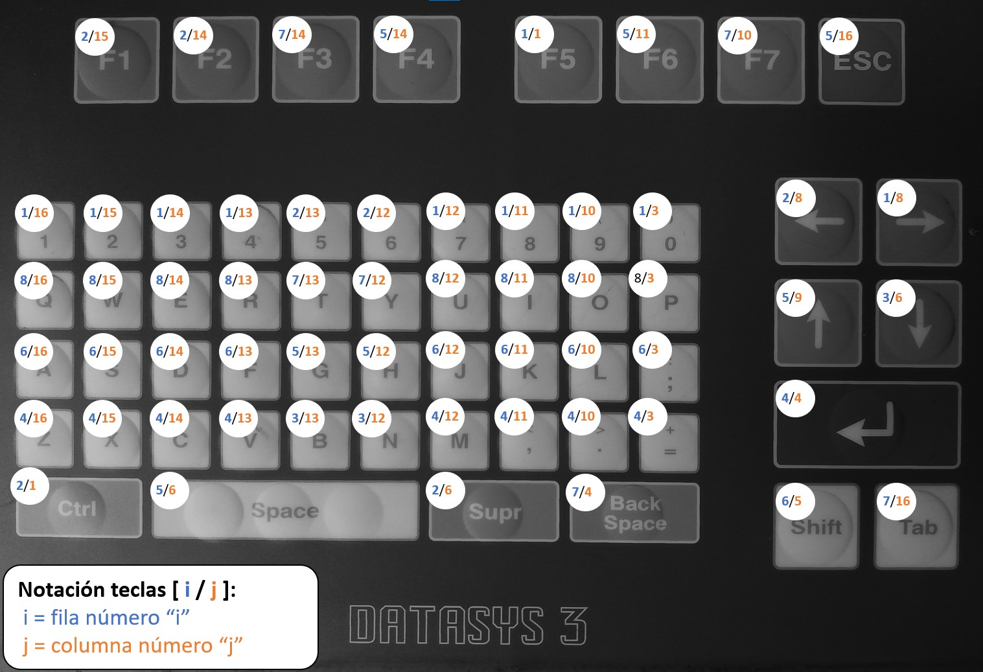
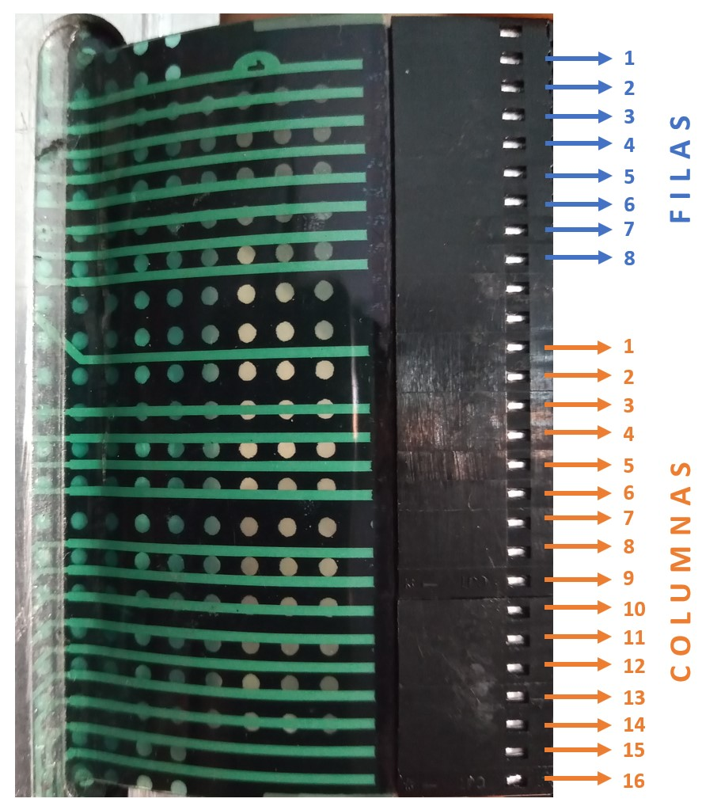

 | FILA 1 | FILA 2 | FILA 3 | FILA 4 | FILA 5 | FILA 6 | FILA 7 | FILA 8 |  |  | FILA 1 | FILA 2 | FILA 3 | FILA 4 | FILA 5 | FILA 6 | FILA 7 | FILA 8
C1 | 1 | 17 | 33 | 49 | 65 | 81 | 97 | 113 | C1 | C1 | F5 | CTRL |  |  |  |  |  |  | C1
C2 | 2 | 18 | 34 | 50 | 66 | 82 | 98 | 114 | C2 | C2 |  |  |  |  |  |  |  |  | C2
C3 | 3 | 19 | 35 | 51 | 67 | 83 | 99 | 115 | C3 | C3 | 0 |  |  | = |  | ; |  | P | C3
C4 | 4 | 20 | 36 | 52 | 68 | 84 | 100 | 116 | C4 | C4 |  |  |  | ENTER |  |  | BACK SPACE |  | C4
C5 | 5 | 21 | 37 | 53 | 69 | 85 | 101 | 117 | C5 | C5 |  |  |  |  |  | SHIFT |  |  | C5
C6 | 6 | 22 | 38 | 54 | 70 | 86 | 102 | 118 | C6 | C6 |  | SURP | DOWN |  | SPACE |  |  |  | C6
C7 | 7 | 23 | 39 | 55 | 71 | 87 | 103 | 119 | C7 | C7 |  |  |  |  |  |  |  |  | C7
C8 | 8 | 24 | 40 | 56 | 72 | 88 | 104 | 120 | C8 | C8 | RIGHT | LEFT |  |  |  |  |  |  | C8
C9 | 9 | 25 | 41 | 57 | 73 | 89 | 105 | 121 | C9 | C9 |  |  |  |  | UP |  |  |  | C9
C10 | 10 | 26 | 42 | 58 | 74 | 90 | 106 | 122 | C10 | C10 | 9 |  |  | . |  | L | F7 | O | C10
C11 | 11 | 27 | 43 | 59 | 75 | 91 | 107 | 123 | C11 | C11 | 8 |  |  | , | F6 | K |  | I | C11
C12 | 12 | 28 | 44 | 60 | 76 | 92 | 108 | 124 | C12 | C12 | 7 | 6 | N | M | H | J | Y | U | C12
C13 | 13 | 29 | 45 | 61 | 77 | 93 | 109 | 125 | C13 | C13 | 4 | 5 | B | V | G | F | T | R | C13
C14 | 14 | 30 | 46 | 62 | F4 | 94 | 110 | 126 | C14 | C14 | 3 | F2 |  | C | F4 | D | F3 | E | C14
C15 | 15 | 31 | 47 | 63 | 79 | 95 | 111 | 127 | C15 | C15 | 2 | F1 |  | X |  | S |  | W | C15
C16 | 16 | 32 | 48 | 64 | 80 | 96 | 112 | 128 | C16 | C16 | 1 |  |  | Z | ESC | A | TAB | Q | C16

